ALL PRODUCT
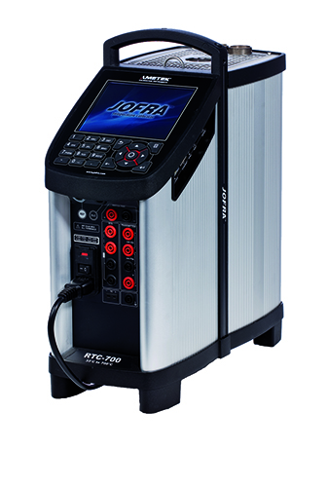 | 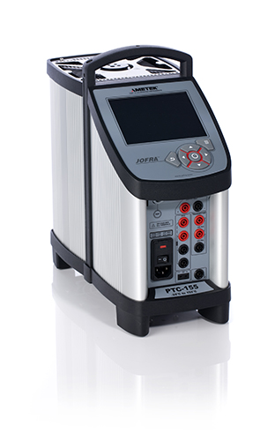 | 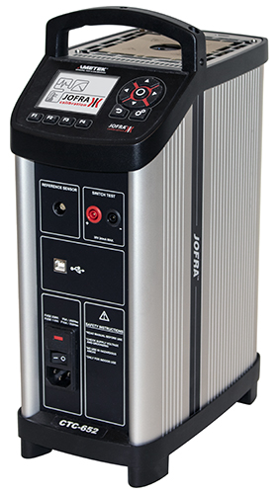

RTC | PTC | CTC
Reference Temperature Calibrator | Profesional Temperature Calibrator | Compact Temperature Calibrator

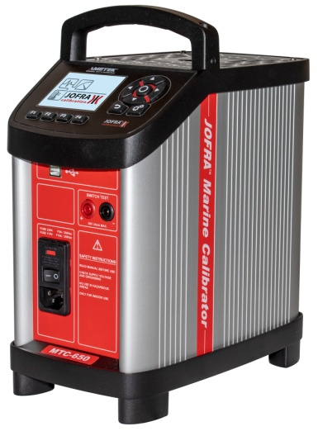 | 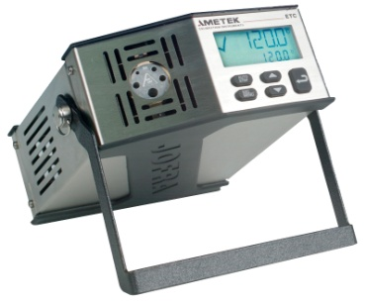

MTC | ETC
Marine Temperature Calibrator | Easy Temperature Calibrator

